Dashboard USD
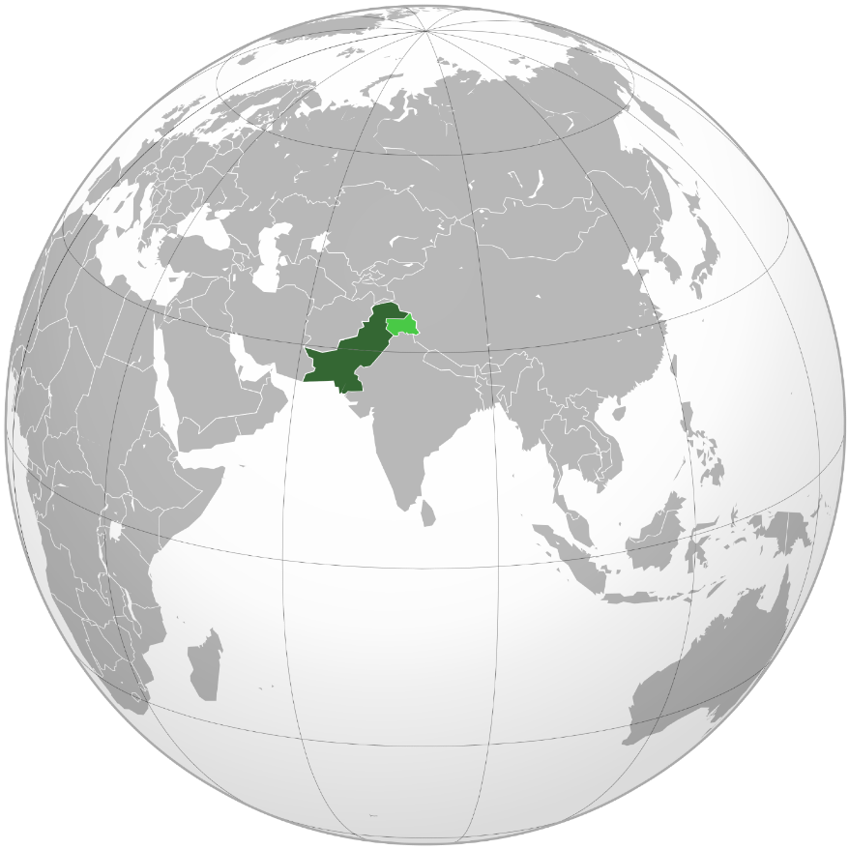
 | Sum of Market Cap (Billion USD) | Highlight
Hub Power Company | 0.61 B | 0.00 B
Pakistan Oilfields Limited | 0.64 B | 0.00 B
Systems Limited | 0.65 B | 0.00 B
Standard Chartered Pakistan | 0.73 B | 0.00 B
Pakistan State Oil | 0.74 B | 0.00 B
Bestway Cement | 0.77 B | 0.00 B
Engro Corporation | 0.86 B | 0.00 B
Habib Bank Limited | 0.92 B | 0.00 B
Engro Fertilizers | 0.98 B | 0.00 B
Lucky Cement | 1.15 B | 0.00 B
MCB Bank | 1.19 B | 0.00 B
Nestlé Pakistan | 1.21 B | 0.00 B
Pakistan Tobacco Company | 1.22 B | 0.00 B
Colgate-Palmolive Pakistan | 1.31 B | 0.00 B
Meezan Bank | 1.55 B | 0.00 B
Fauji Fertilizer Company | 1.67 B | 1.67 B
United Bank Limited | 1.67 B | 1.67 B
Pakistan Petroleum Limited | 1.98 B | 1.98 B
Mari Petroleum | 3.09 B | 3.09 B
Oil & Gas Development Company | 3.50 B | 3.50 B
 | Sum of Market Cap (Billion USD) | Highlight
Power generation | 0.61 B | 0.00 B
Information technology | 0.65 B | 0.00 B
Conglomerate | 0.86 B | 0.00 B
Tobacco | 1.22 B | 0.00 B
Cement | 1.92 B | 0.00 B
Fast-moving consumer goods | 2.52 B | 0.00 B
Fertilizer | 2.64 B | 2.64 B
Banking | 6.07 B | 6.07 B
Petroleum | 9.96 B | 9.96 B
 | Sum of Market Cap (Billion USD) | 8.57 B
Islamabad | 8.57 B | 0.00 B
Karachi | 12.50 B | 12.50 B
Lahore | 3.05 B | 0.00 B
Rawalpindi | 2.31 B | 0.00 B
20 Largest Companies in Pakistan by Capitalization
based on the year-end closing, 31 December 2024 and current currency rate
Total Capital
26.43 B
Top 5:
Largest Industry Sectors by Capital
The Highlighted Bars shows the Top 3 Sectors Whose Market Share is:
18.67 B
Market Capital of largest Companies by Cities
Karachi
holds the highest Market Capital of Largest Companies
PKR
Currency
USD
Currency
11.92 B
Prepared by: Ali Jan

Dashboard PKR
 | Market Cap (Billion PKR) | Highlight
Hub Power Company | 169.78 B | 0.00 B
Pakistan Oilfields Limited | 179.29 B | 0.00 B
Systems Limited | 181.10 B | 0.00 B
Standard Chartered Pakistan | 205.19 B | 0.00 B
Pakistan State Oil | 206.89 B | 0.00 B
Bestway Cement | 213.89 B | 0.00 B
Engro Corporation | 238.95 B | 0.00 B
Habib Bank Limited | 255.91 B | 0.00 B
Engro Fertilizers | 272.65 B | 0.00 B
Lucky Cement | 322.44 B | 0.00 B
MCB Bank | 333.36 B | 0.00 B
Nestlé Pakistan | 337.85 B | 0.00 B
Pakistan Tobacco Company | 340.26 B | 0.00 B
Colgate-Palmolive Pakistan | 364.96 B | 0.00 B
Meezan Bank | 433.43 B | 0.00 B
Fauji Fertilizer Company | 466.05 B | 466.05 B
United Bank Limited | 467.92 B | 467.92 B
Pakistan Petroleum Limited | 553.85 B | 553.85 B
Mari Petroleum | 863.98 B | 863.98 B
Oil & Gas Development Company | 977.43 B | 977.43 B
 | Sum of Market Cap (Billion PKR) | Highlight
Power generation | 169.78 B | 0.00 B
Information technology | 181.10 B | 0.00 B
Conglomerate | 238.95 B | 0.00 B
Tobacco | 340.26 B | 0.00 B
Cement | 536.33 B | 0.00 B
Fast-moving consumer goods | 702.81 B | 0.00 B
Fertilizer | 738.70 B | 738.70 B
Banking | 1695.81 B | 1695.81 B
Petroleum | 2781.44 B | 2781.44 B
 | Sum of Market Cap (Billion PKR) | Highlight
Islamabad | 2395.56 B | 0.00 B
Karachi | 3491.97 B | 3491.97 B
Lahore | 852.31 B | 0.00 B
Rawalpindi | 645.34 B | 0.00 B
20 Largest Companies in Pakistan by Capitalization
based on the year-end closing, 31 December 2024 and current currency rate
Total Capital
7385.18 B
Top 5: 3329.23 B
Largest Industry Sectors by Capital
The Highlighted Bars shows the Top 3 Sectors Whose Market Share is:
5215.95 B
Market Capital of largest Companies by Cities
Karachi
holds the highest Market Capital of Largest Companies
PKR
Currency
USD
Currency
Prepared by: Ali Jan

